POST Send OTP

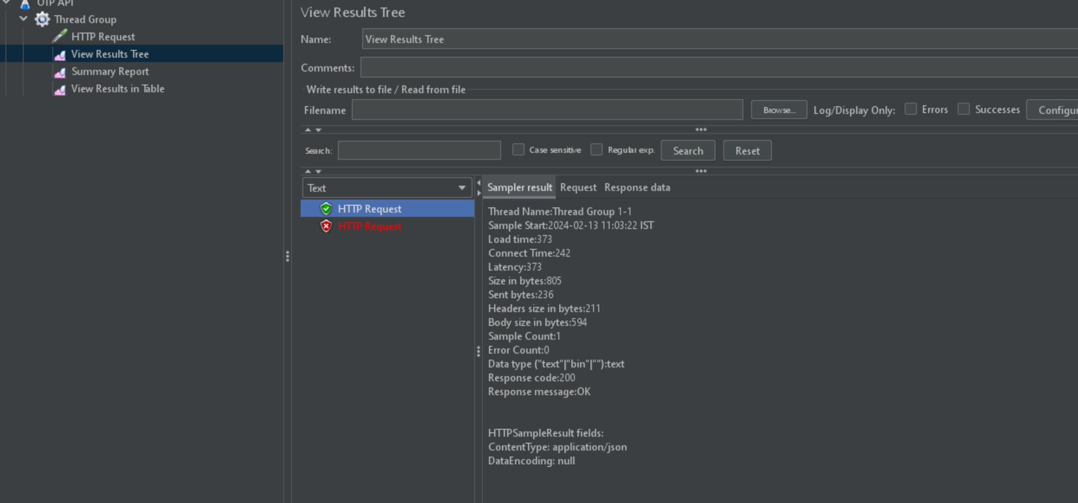
Number of threads (Users) | Ramp -Period (Seonds) | Loop count | Result
2 | 1 | 1

5 | 1 | 1

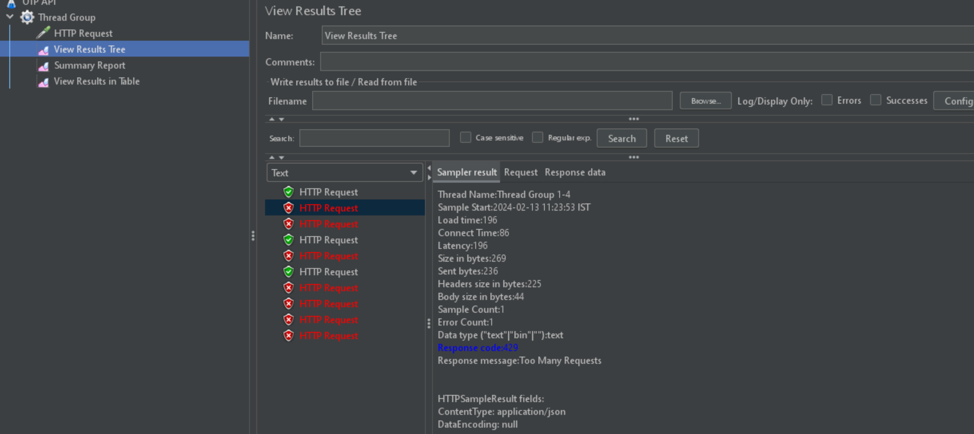

10 | 1 | 1

POST Verify OTP
Number of threads (Users) | Ramp -Period (Seonds) | Loop count | Result
1 | 1 | 1

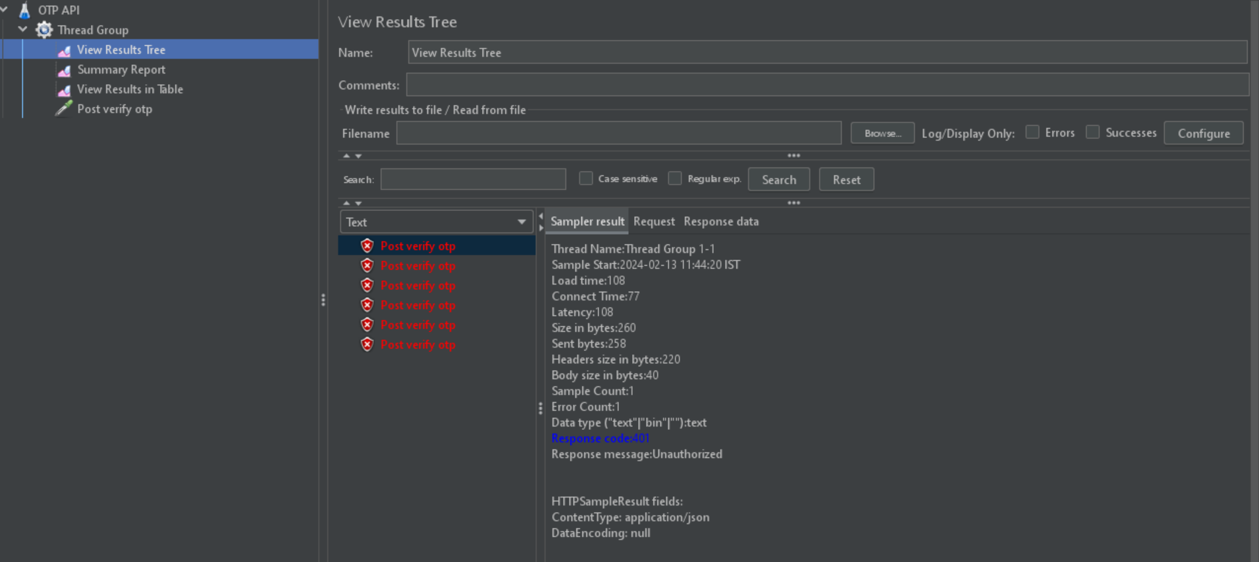
5 | 1 | 1

POST user bike
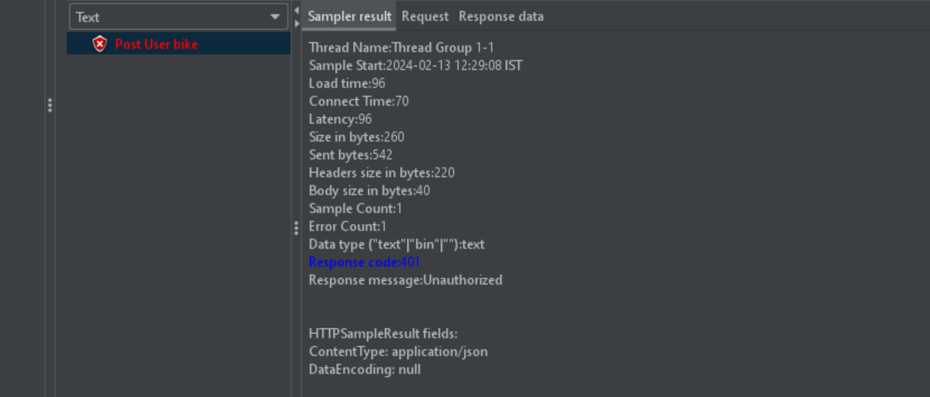
Number of threads (Users) | Ramp -Period (Seonds) | Loop count | Result
1 | 1 | 1

Get user bike
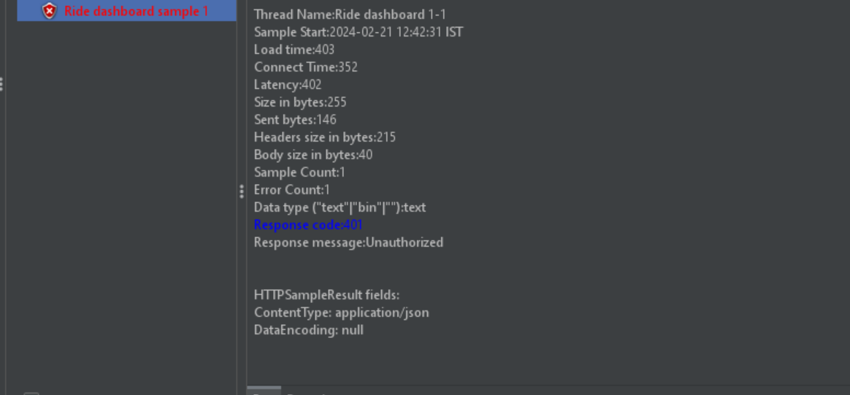
Number of threads (Users) | Ramp -Period (Seonds) | Loop count | Result
1 | 1 | 1

Rides
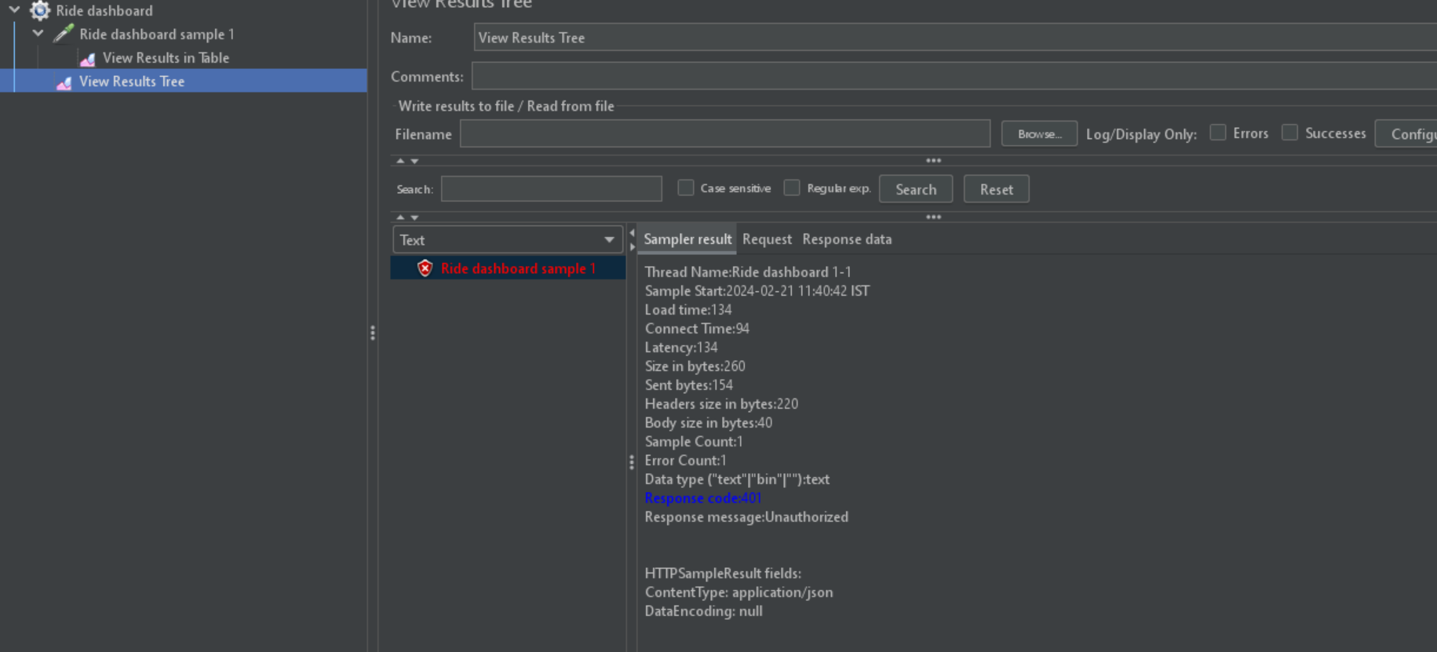
Number of threads (Users) | Ramp -Period (Seonds) | Loop count | Result
1 | 1 | 1

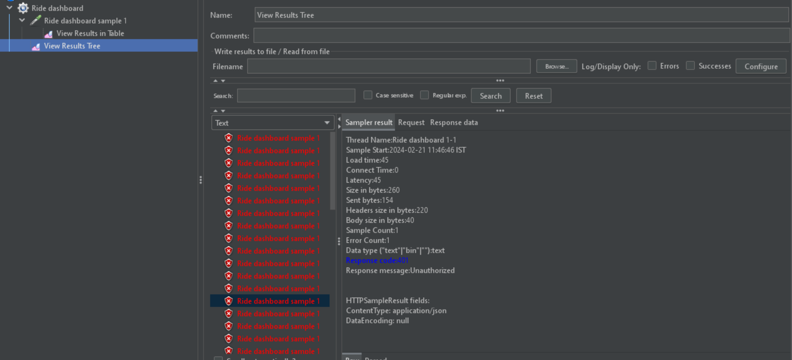
5 | 2 | 10

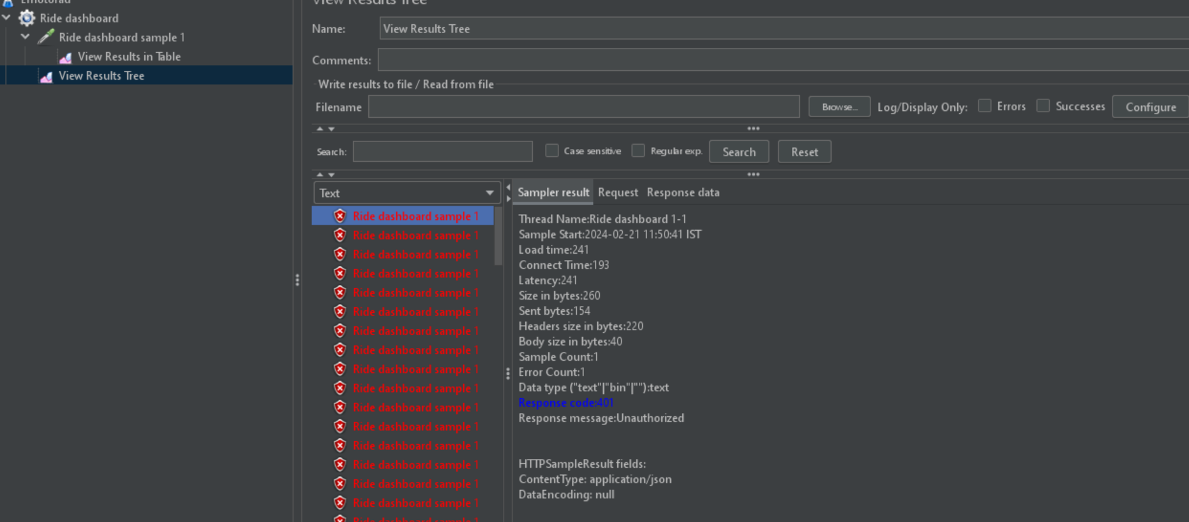
10 | 1 | 10

Latest trip data
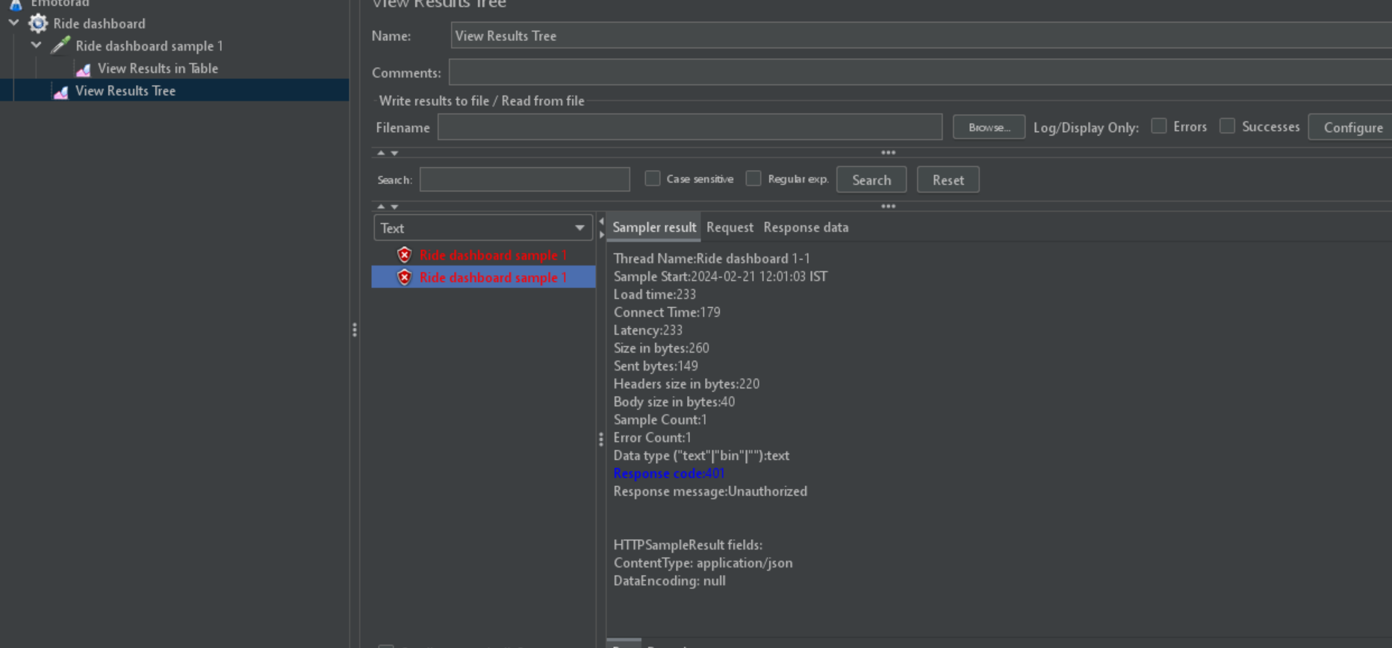
Number of threads (Users) | Ramp -Period (Seonds) | Loop count | Result
1 | 1 | 1

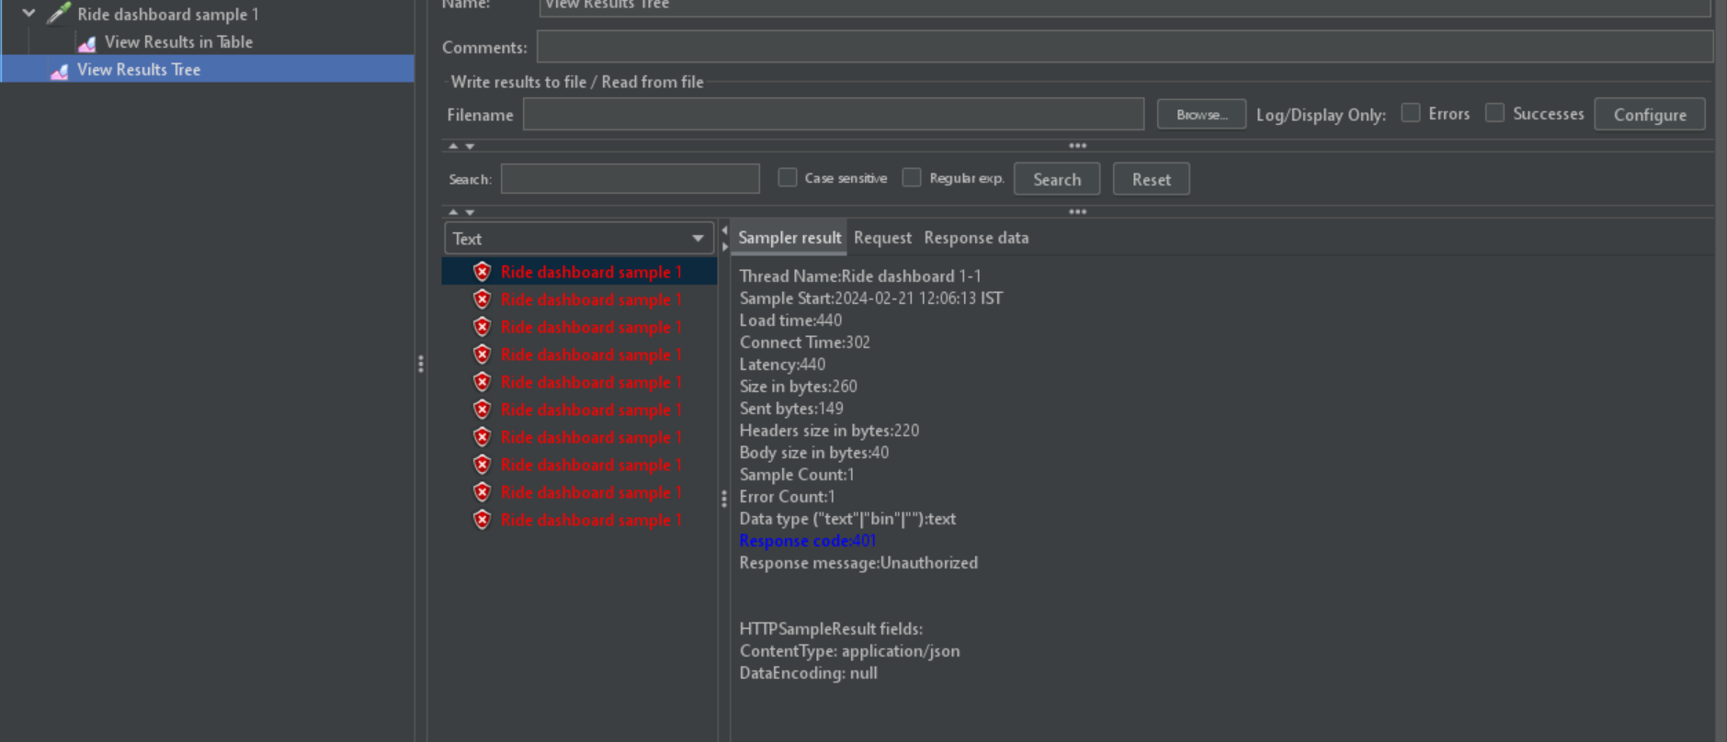
10 | 1 | 1

Latest map
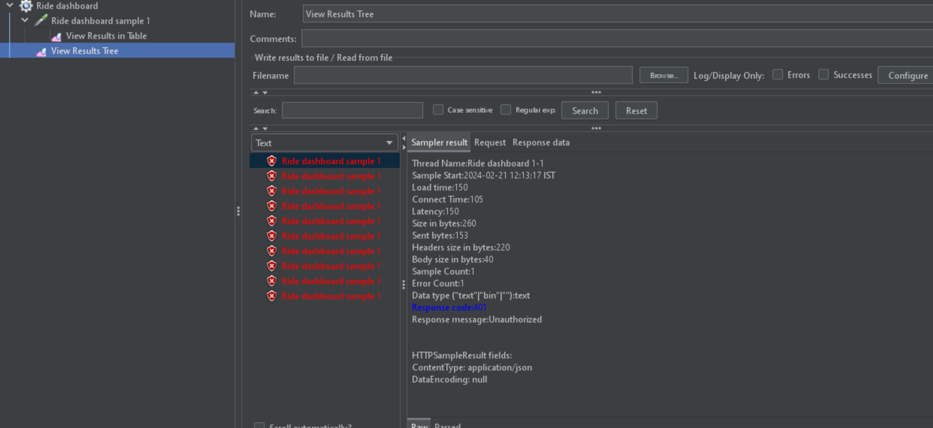
Number of threads (Users) | Ramp -Period (Seonds) | Loop count | Result
10 | 1 | 1

bike selections
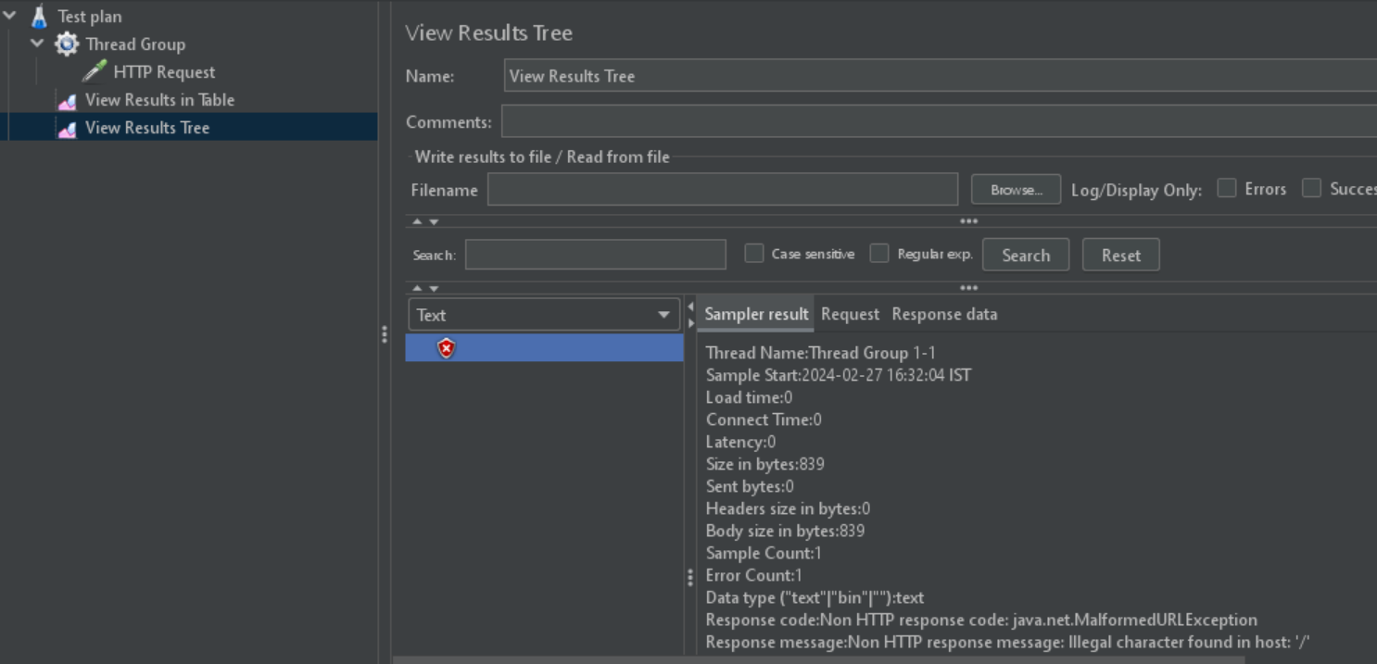
Number of threads (Users) | Ramp -Period (Seonds) | Loop count | Result
1 | 1 | 1

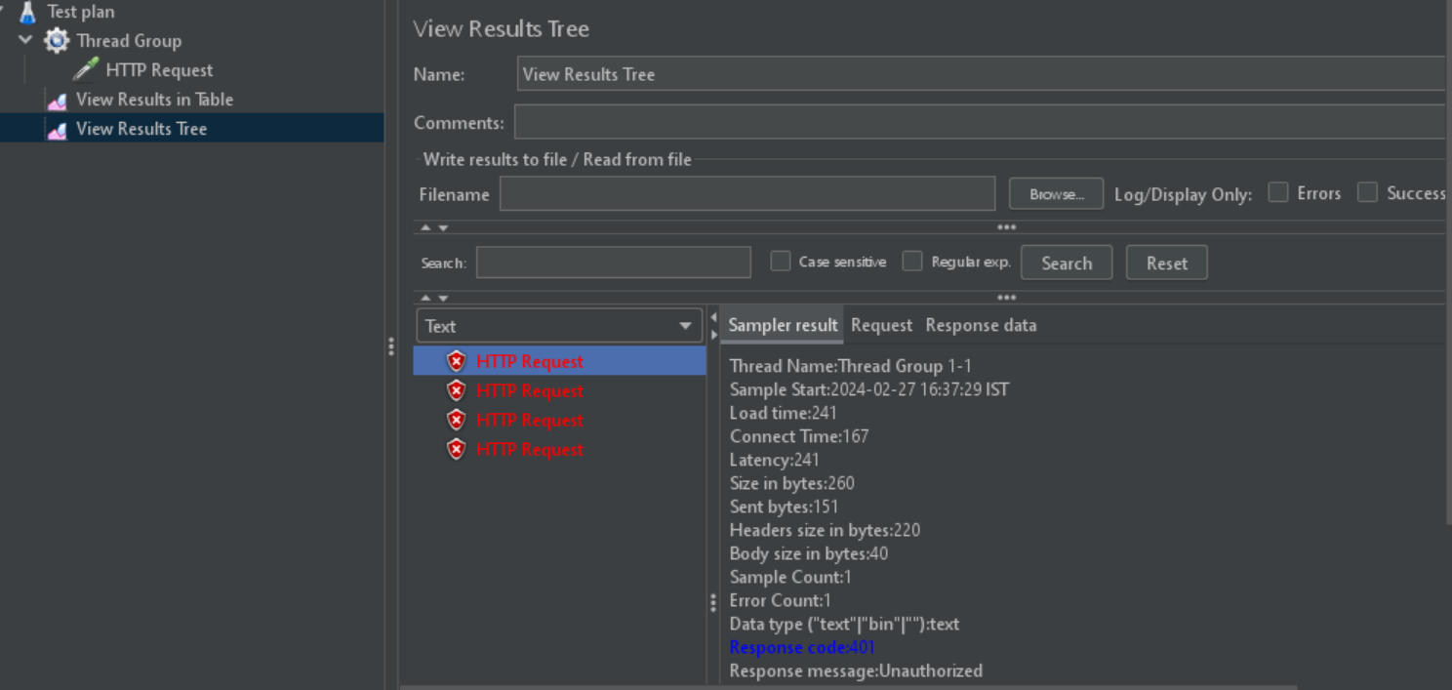
2 | 1 | 2

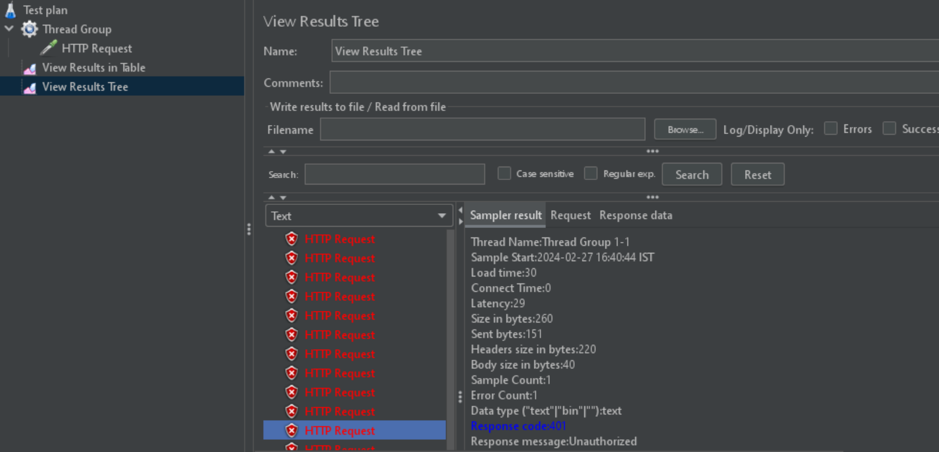
5 | 1 | 5

